INVOICE - Insurance gift
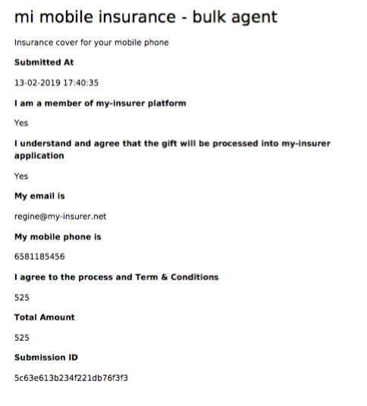
INVOICE FOR MI INSURANCE PURCHASE CAPICTY |  | my-insurer Pte Ltd
INVOICE NUMBER | 5c63e613b234f221db76f3f3 | UEN: 201903812R
AMOUNT IN SGD | 525 | www.my-insurer.net

Purchase Order 180119
mi PURCHASE ORDER
 |  |  |  |  | DATE OF DEMAND
 |  |  |  |  | NAME OF AGENT:
 |  |  |  |  | NAME OF AGENCY:
 |  |  |  |  | EMAIL :
 |  |  |  |  | MOBILE PHONE:

 |  |  |  | BALANCE AS AT | 2019-02-01 |  | $525.00

item | ITEM NAME | EMAIL OF CUSTOMER (as per my-insurer system) |  | EFFECTIVE DATE (1st day for the following month) | UNIT PRICE (SGD) | No. of months | TOTAL (SGD)
1 | mi mobile | xx@ss.com |  | 2019-01-02 | $3.50 | 1 | $3.50
2 | mi mobile | xx1@ss1.com |  | 2019-01-02 | $3.50 | 2 | $7.00
2 | mi mobile | xx2@ss2.com |  | 2019-01-02 | $3.50 | 1 | $3.50
3 | mi mobile | xx3@ss4.com |  | 2019-01-02 | $3.50 | 3 | $10.50

 |  |  |  |  |  | TOTAL (SGD) | $24.50
 | Date |  | 18/01/19
 | Provider |  | my-insurer |  |  | BALANCE (SGD) | $500.50
Person in charge |  |  | Regine Lai
Contact |  |  | 81185456
 | Email |  | regine@stark-grp.com | Regine Lai |  |  | 2019-01-18
 |  |  |  | Authorized by |  |  | Date

